HERREN DAMEN
SPORTSCHUHE/SNEAKERS |  |  |  | 35 | 36 | 37 | 38 | 39 | 40 | 41 | 42 | 43 | 44 | 45 | 46
 |  |  |  | 29/35 | 30/35 | 35/40 | 36/41 | 40/45 | 41/46 | 45/48 | 39/44
 | Artikel | Farbe | Mens/Womens | 15a | 2a | 3a | 8a | 4a | 6a | 5a | 7a |  |  |  |  | Anzahl Sortimente | VPE | TOTAL
HERRENSCHUHE
 | 6685/9 | grigio | M |  |  |  |  | 4 |  |  |  |  |  |  |  | 4 | 12 | 48
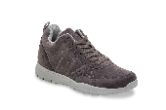 | 6715/9 | grigio | M |  |  |  |  |  | 1 |  |  |  |  |  |  | 1 | 12 | 12
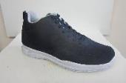 | 6715/4 | navy | M |  |  |  |  | 11 |  | 2 |  |  |  |  |  | 13 | 12 | 156
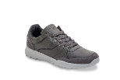 | 6816/9 | grigio | M |  |  |  |  | 7 | 17 |  |  |  |  |  |  | 24 | 12 | 288
 | 6293/2 | beige | M |  |  |  |  | 15 | 20 |  | 15 |  |  |  |  | 50 | 12 | 600
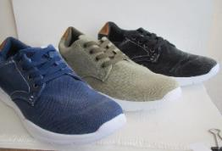
 | 6377/4 | navy | M |  |  |  |  | 26 | 24 |  |  |  |  |  |  | 50 | 12 | 600
 | 6377/5 | kaki | M |  |  |  |  | 16 | 24 |  | 4 |  |  |  |  | 44 | 12 | 528
 | 6377/7 | black | M |  |  |  |  | 36 | 27 |  |  |  |  |  |  | 63 | 12 | 756
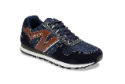 | 9608/4 | navy | M |  |  |  |  | 10 | 10 |  | 12 |  |  |  |  | 32 | 12 | 384
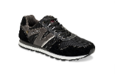 | 9608/7 | nero | M |  |  |  |  | 11 | 15 |  | 14 |  |  |  |  | 40 | 12 | 480
 | 6562/4 | navy | M |  |  | 9 | 10 |  | 5 |  | 6 |  |  |  |  | 30 | 12 | 360
 | 6655/7 | nero-rosso/lacci | M |  |  | 24 |  | 19 | 17 |  |  |  |  |  |  | 60 | 12 | 720
 | 6656/7 | nero-rosso/velcro | M |  |  | 17 |  | 16 | 13 |  | 9 |  |  |  |  | 55 | 12 | 660
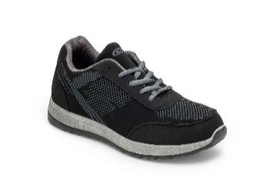 | 6819/7 | nero/lacci | M |  |  |  |  | 9 | 4 |  |  |  |  |  |  | 13 | 12 | 156
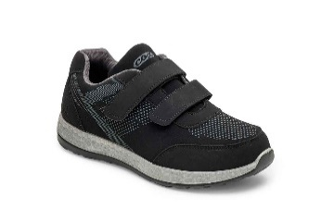 | 6820/7 | nero/velcro | M |  |  |  |  | 4 |  |  |  |  |  |  |  | 4 | 12 | 48
 | 9401/7 | nero | M |  |  |  |  | 4 | 8 |  |  |  |  |  |  |  |  | 5796

DAMENSCHUHE |  |  |  |  |  |  |  |  |  |  |  |  |  |  |  | HERREN |  | 5796
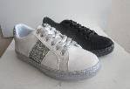 | 2252/0 | bianco/silver | W |  |  |  | 29 |  |  |  |  |  |  |  |  | 29 | 12 | 348
 | 2252/7 | nero | W |  |  |  | 57 |  |  |  |  |  |  |  |  | 57 | 12 | 684
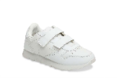 | 7781/0 | bianco | W |  |  |  | 31 |  |  |  |  |  |  |  |  | 31 | 12 | 372
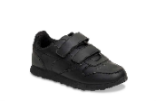 | 7781/7 | nero | W |  |  |  | 13 |  |  |  |  |  |  |  |  | 13 | 12 | 156
 |  |  |  |  |  |  |  |  |  |  |  |  |  |  |  | DAMEN |  | 1560
 |  |  |  |  |  |  |  |  |  |  |  |  |  |  |  |  |  | 7356

